Sheet1
Input | Output | Faithfulness | Coverage
Your goal is to explain an agent-based model. Your explanation must include the context of the model, its goals, and key parameters. For each parameter, include the range of values (if provided) and the value that we have set. Do not write any summary or conclusion. We have 31 parameters: - number-households, from 1.0 to 100.0. We set it to 60. - satisficing-threshold, from 0.0 to 100.0. We set it to 0. - satisficing-trials, from 0.0 to 100.0. We set it to 21. - knowledge-radius, from 0.0 to 5.0. We set it to 1. - resting-threshold, from 0.0 to 1.0. We set it to 0.1. - intrinsic-preference, from 0.0 to 1.0. We set it to 0. - social-susceptibility, from 0.0 to 1.0. We set it to 0. - global-rain?. We set it to True. - start-on-homepatch?. We set it to True. - resting?. We set it to False. - homog-behav-types?. We set it to True. - extension-model?. We set it to True. - SL2-strategy-switch?. We set it to False. - risk-mode?. We set it to True. - behavioral-type. We set it to E-RO. - number-SAT. We set it to 0. - number-E-RO. We set it to 20. - number-TRAD. We set it to 0. - b. We set it to 0. - number-MAX. We set it to 0. - rain-mean. We set it to 200. - risk-att-init. We set it to 0.5. - gr1. We set it to 0.5. - number-E-LBD. We set it to 20. - gr2. We set it to 0.1. - number-E-RO-SL1. We set it to 20. - timesteps. We set it to 100. - w. We set it to 0.8. - number-random. We set it to 0. - livestock-init. We set it to 90. - rain-std. We set it to 100. The context and goals of the model are as follows. This is an extension of the original RAGE model where we add learning capabilities to agents, specifically learning-by-doing and social learning (two processes central to adaptive (co-)management). The original model can be found here: The RAGE model is a *multi-agent simulation model* that captures *feedbacks between pastures, livestock and household livelihood in | The extended model is derived from the original RAGE (Resource Allocation on a Grazed Ecosystem) model. The extensions focus on integrating learning capabilities into agents, reflecting adaptive (co-)management practices like learning-by-doing and social learning. The model portrays interactions among households, pastures, and livestock in a common property grazing system, with the inclusion of uncertainty handling. The main objectives of this model are to: Evaluate the long-term social-ecological consequences of different household behavioral types. Study the diffusion of behavioral strategies in a heterogeneous population using global strategy switching (double-loop learning) Capture the impact of uncertainty through an agent property called the r-parameter (household-risk-att) The model also includes a number of trials for satisficing-trials for satisfying behavior. The number-households and number-TRAD is defined by the number of traditional households and the number-trad of livestock in the simulation of livestock. The data on the average initial risk attitude of all social learning agents shows static behavior throughout the simulation. The lack of change over time indicates that whatever factors influence an agent's initial risk disposition remain constant. The constancy of initial risk attitudes may suggest that the agent-based model maintains internal consistency. The data portrays the trend of the mean household risk attitude across various time steps in the simulation. Initial sharp increase in deviation highlights the importance of early interventions. Decision-makers should monitor the early stages of implementation closely for signs of risk escalation. Simulations reveal a clear trend in the average amount of reserve biomass in the grazing system. Initially, reserve biomass declines over time, bottoming out at around 30 steps, where it reaches its minimum value that fluctuates between 80,000 to 90,000 units. Rapid increase begins from approximatel
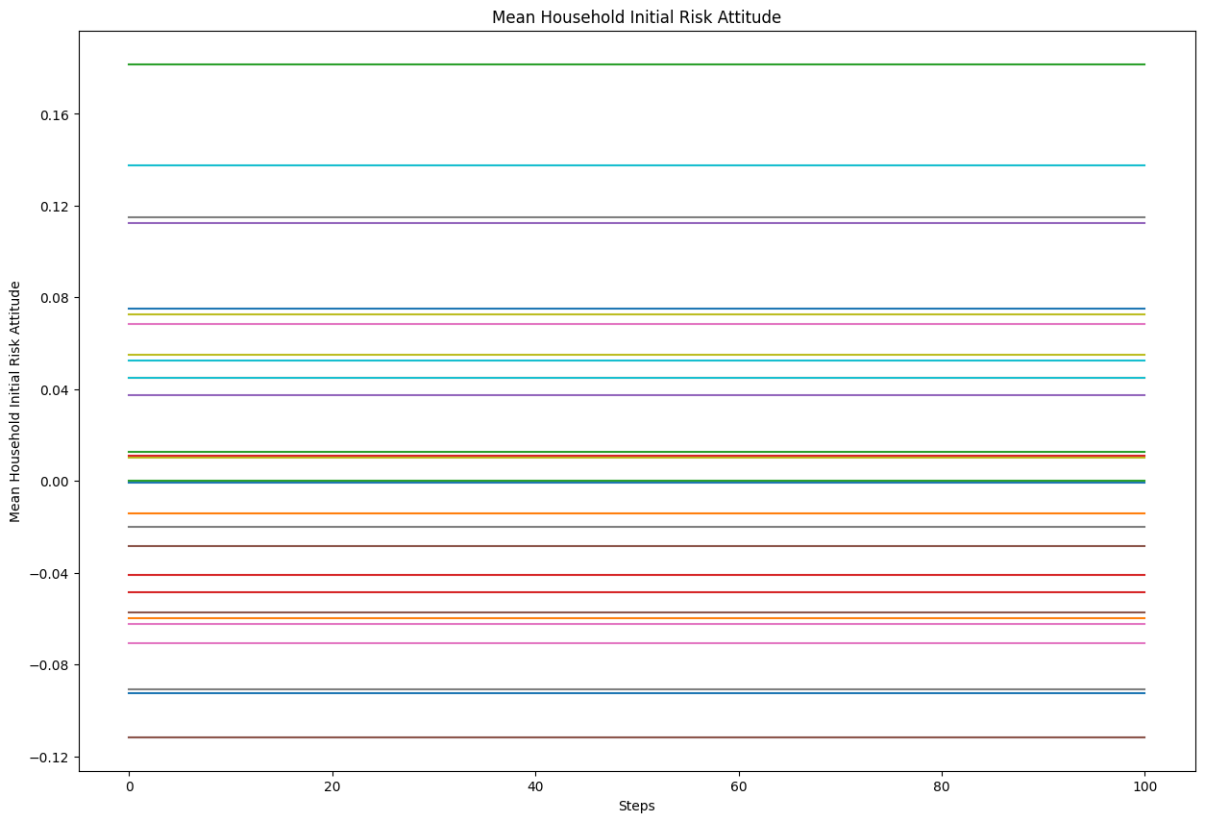
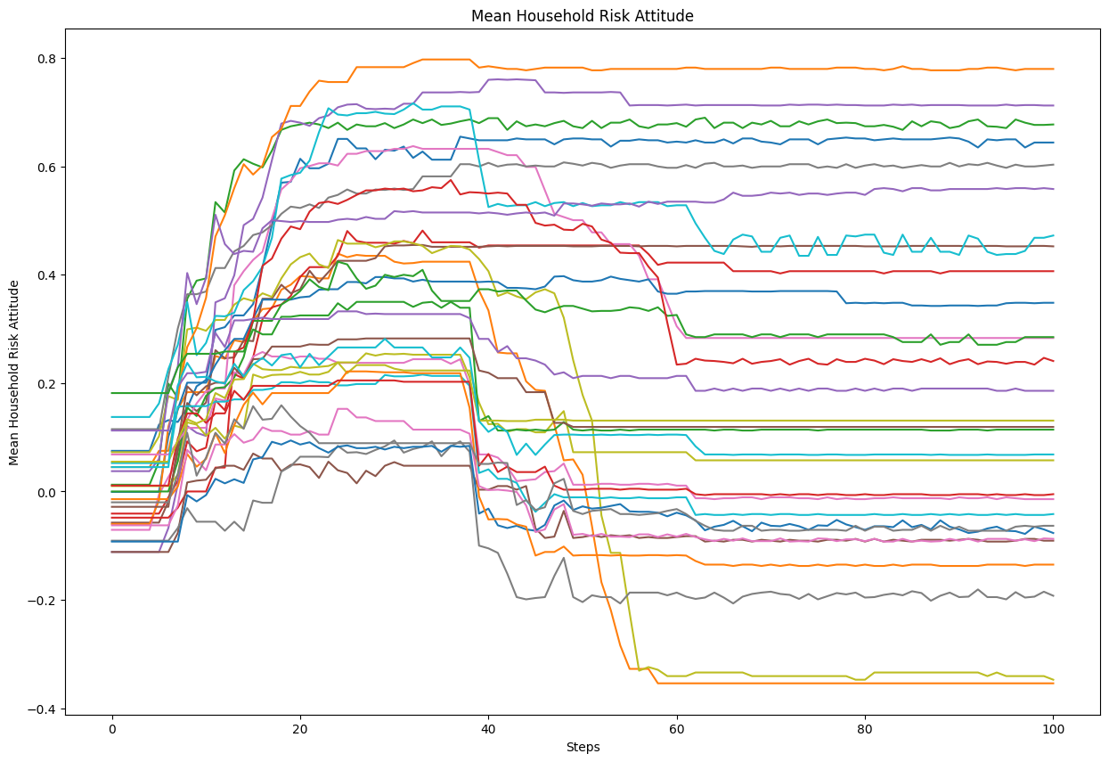
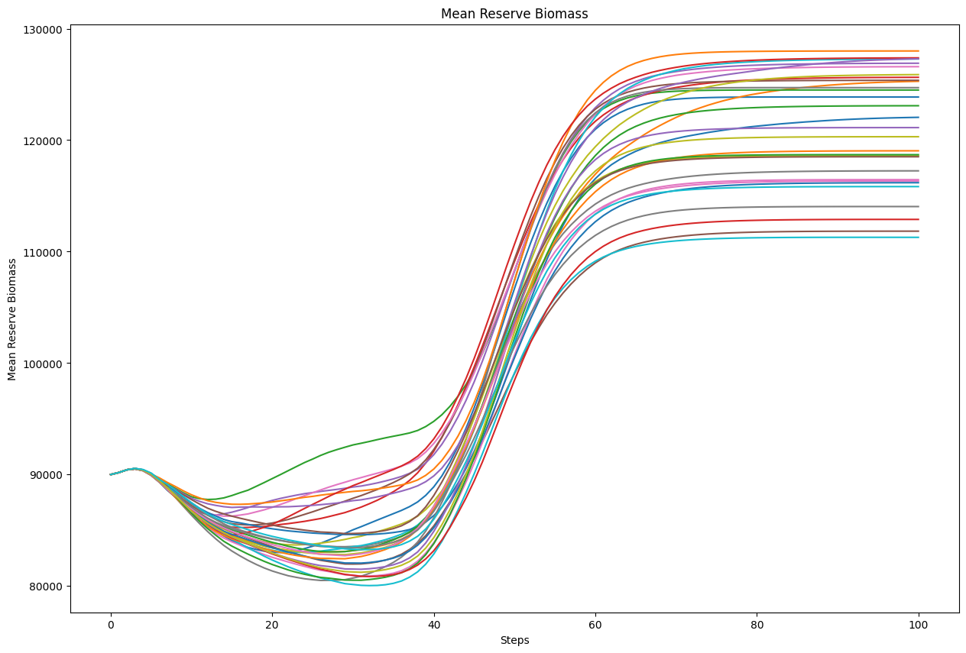
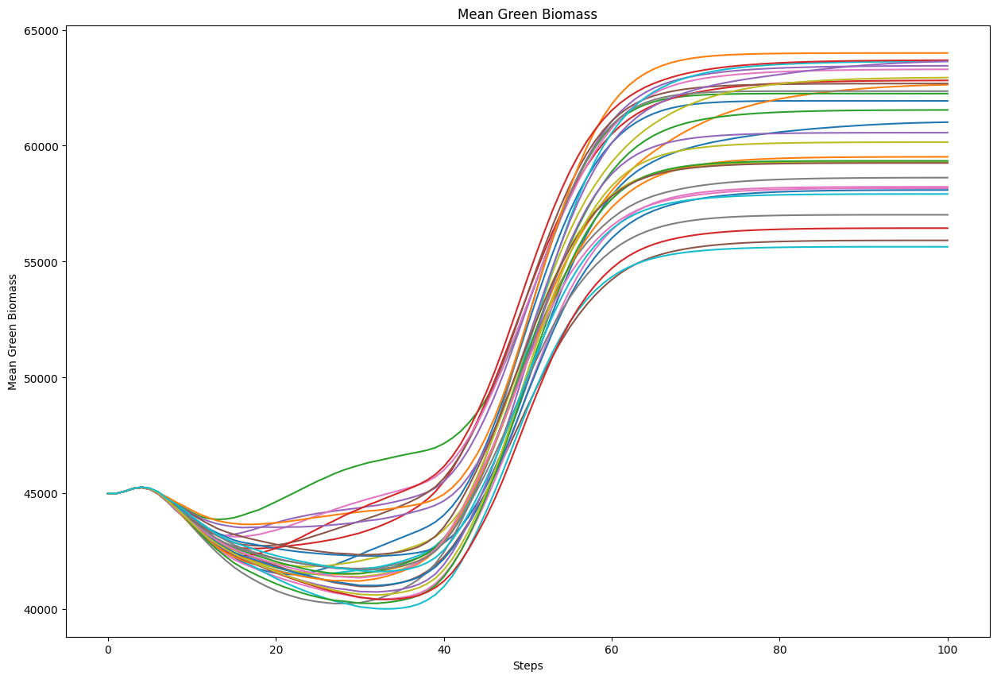
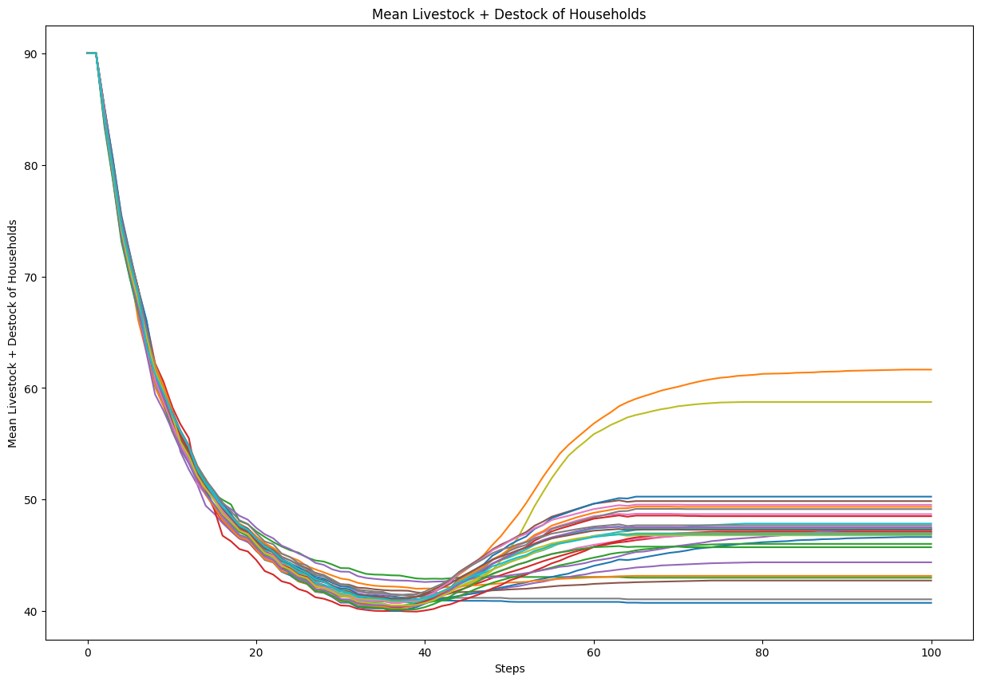
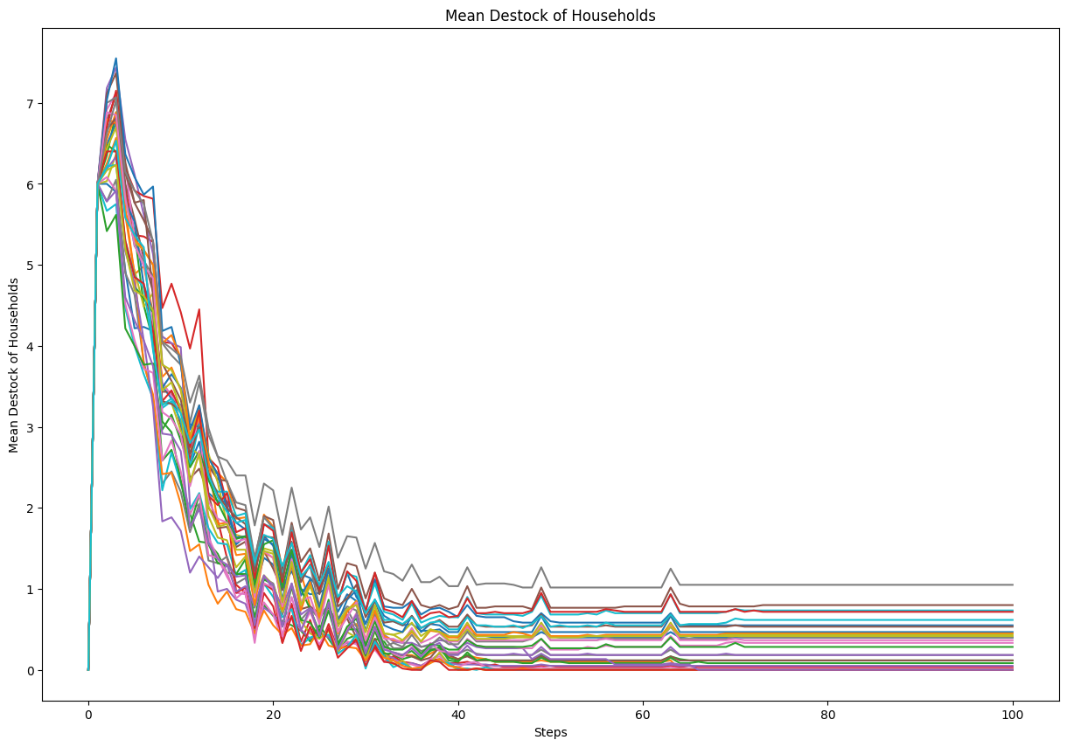
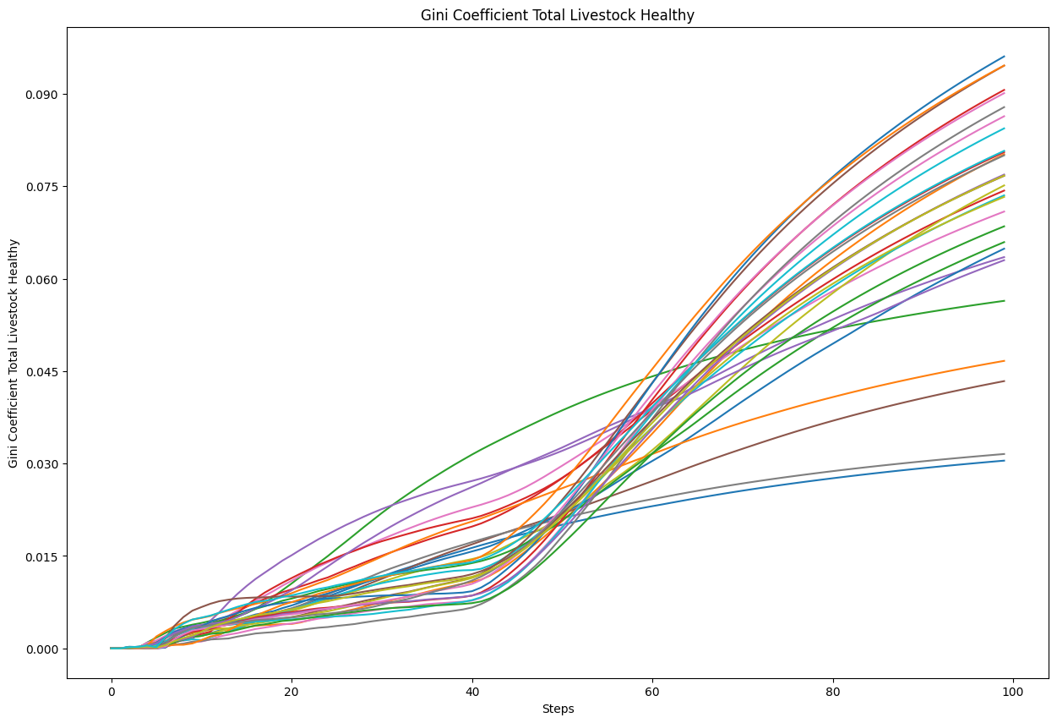
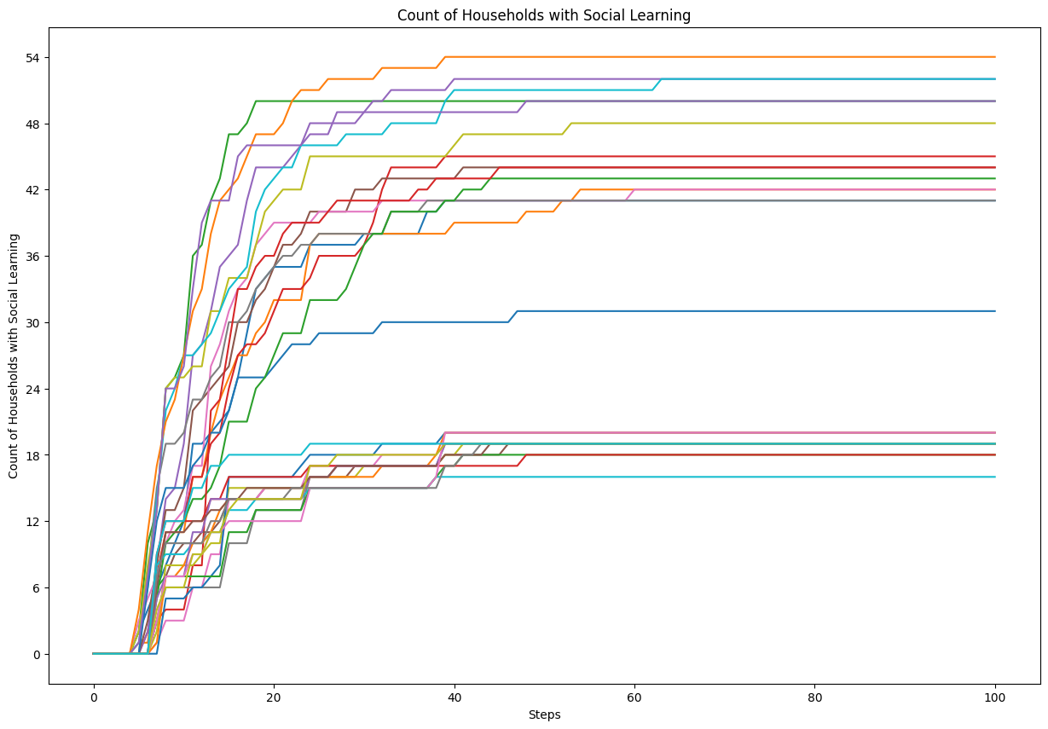
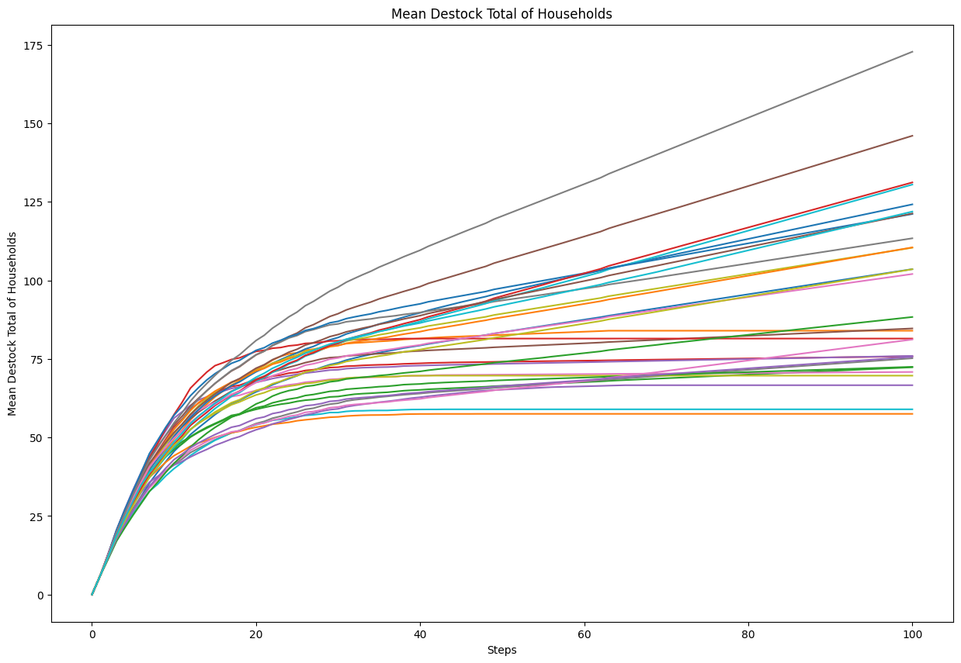
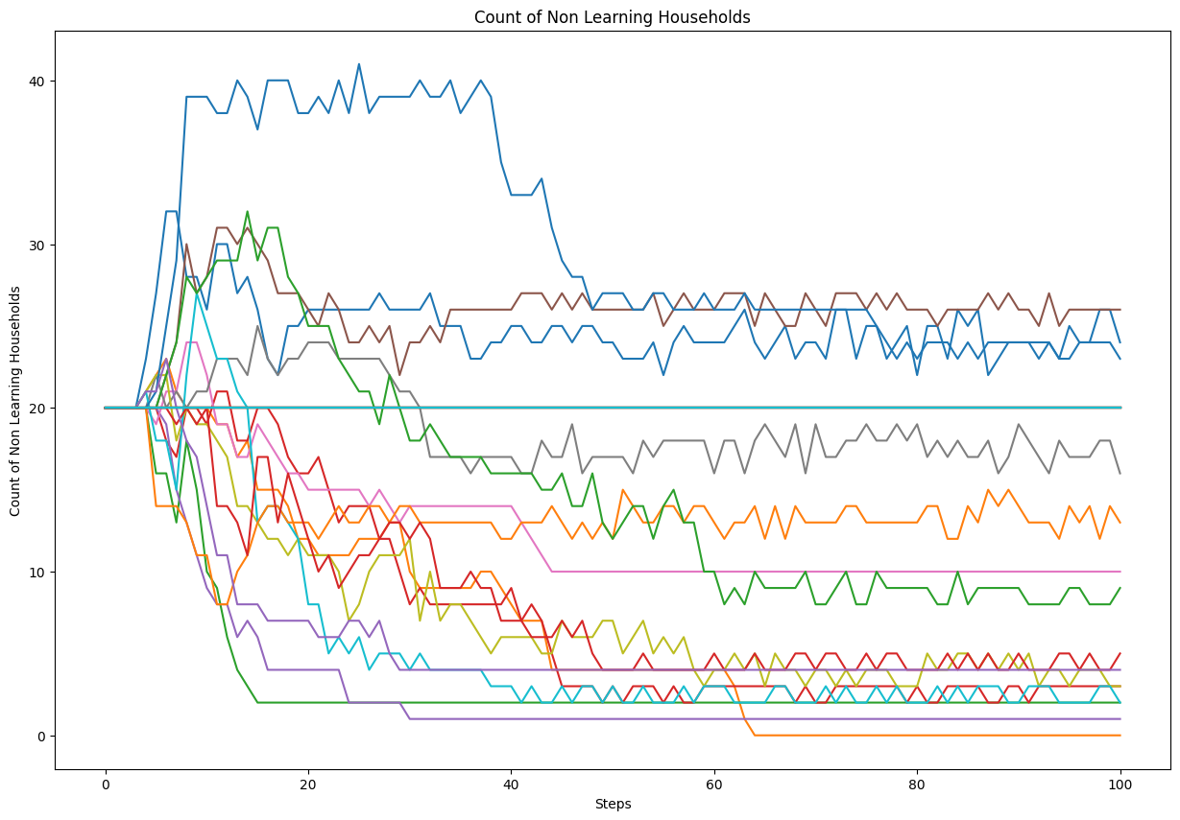
Input | Output | Faithfulness | Coverage

Your goal is to explain an agent-based model. Your explanation must include the context of the model, its goals, and key parameters. For each parameter, include the range of values (if provided) and the value that we have set. Do not write any summary or conclusion. We have 16 parameters: - memory-lifetime, from 1.0 to 10.0. We set it to 5. - alt-health-mean-initial, from 1.0 to 3.0. We set it to 1.69. - habit-threshold, from 1.0 to 10.0. We set it to 2. - p-interact, from 0.0 to 1.0. We set it to 0.3. - social-susceptibility, from 0.0 to 1.0. We set it to 0.2. - incumbent-initial-habit, from 0.0 to 10.0. We set it to 10. - alt-env-mean-initial, from 0.0 to 3.0. We set it to 1.12. - social-blindness, from 0.0 to 1.0. We set it to 0.51. - justification, from 0.0 to 1.0. We set it to 0.61. - cognitive-dissonance-threshold, from 0.0 to 1.0. We set it to 0.15. - network-parameter, from 2.0 to 10.0. We set it to 8. - number-of-agents. We set it to 1000. - habit-on?. We set it to True. - network-type. We set it to "watts-strogatz". - norms. We set it to True. - social-conformity. We set it to 0.28. The context and goals of the model are as follows. The overall objective of the agent-based model is to reproduce adoption behaviours of milk consumption by the British public (1974-2005), by replicating individual preferences and decision factors. Specifically, the goal of the model is to explore the influence of perception, habits and social influence in an individual's decision-making process of milk choice. The model looks to replicate the substitution of whole milk for skimmed and semi-skimmed milk from the 1970s onwards. The main outcome reported here is the average weekly consumption of each milk type per person. The simulation uses both a theoretical grounding and empirical data to inform the ABM, with calibration performed against observed macro level data. In particular, the study conducts an experiment to compare | The agent - based model aims to simulate the adoption behaviors of milk consumption by the british public from 1974 to 2005. It determines the threshold at which cognitive dissonance influences an agent's decision to reconsider their milk choice it defines characteristics of the social network structure, influencing how agents are linked and how information is disseminated. Agents'milk choices are influenced by health and environmental characteristics, habit, social influence, and evaluation of previous choices. The data shows a progressive decline in the mean weekly consumption of whole milk per agent over a series of 31 time steps. The early rapid decline indicates an urgent need for intervention if the consumption levels are a critical factor in business strategies. The average weekly consumption of skimmed and semi - skimmed milk per agent exhibits a clear growth trend over time. Initially, from time step 0 to approximately time step 12, there is a rapid and steady increase in consumption. The total number of times agents have chosen whole milk shows a consistent, linear increase over the observed time steps. Starting from zero, the metric increases steadily across approximately 33 steps, ultimately reaching a value slightly above 2000. The data indicates a consistently increasing trend in the total number of milk choices made by all agents combined across the time steps. Predictability : the linear increase allows for straightforward predictions of future milk choices based on the observed data. The mean quantity of whole milk consumed by agents demonstrates a clear and consistent decline over the observed time steps. Following this sharp decline, the decrease in milk consumption continues but at a slower, more gradual pace. The data represents a time series of the mean quantity of skimmed and semi - skimmed milk consumed by agents over a series of time steps. Through these observations, strategies can be better aligned with observed trends to optimize ou
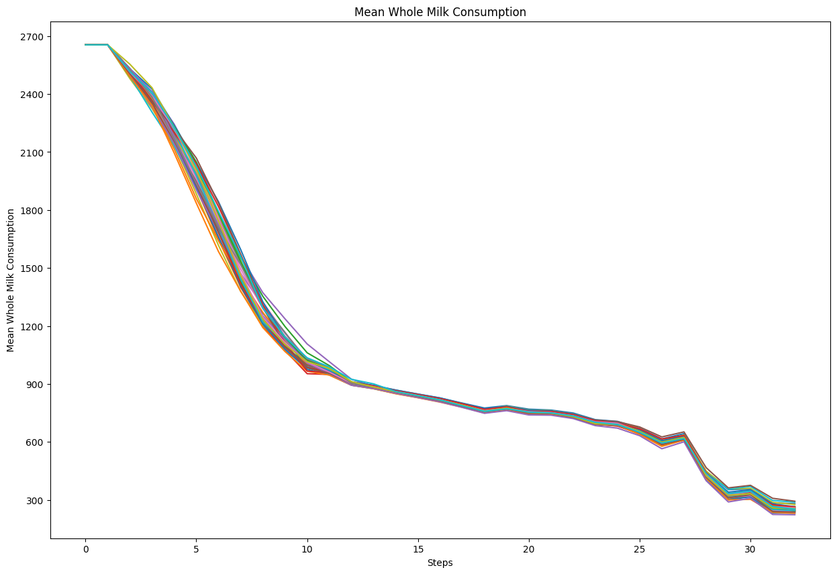
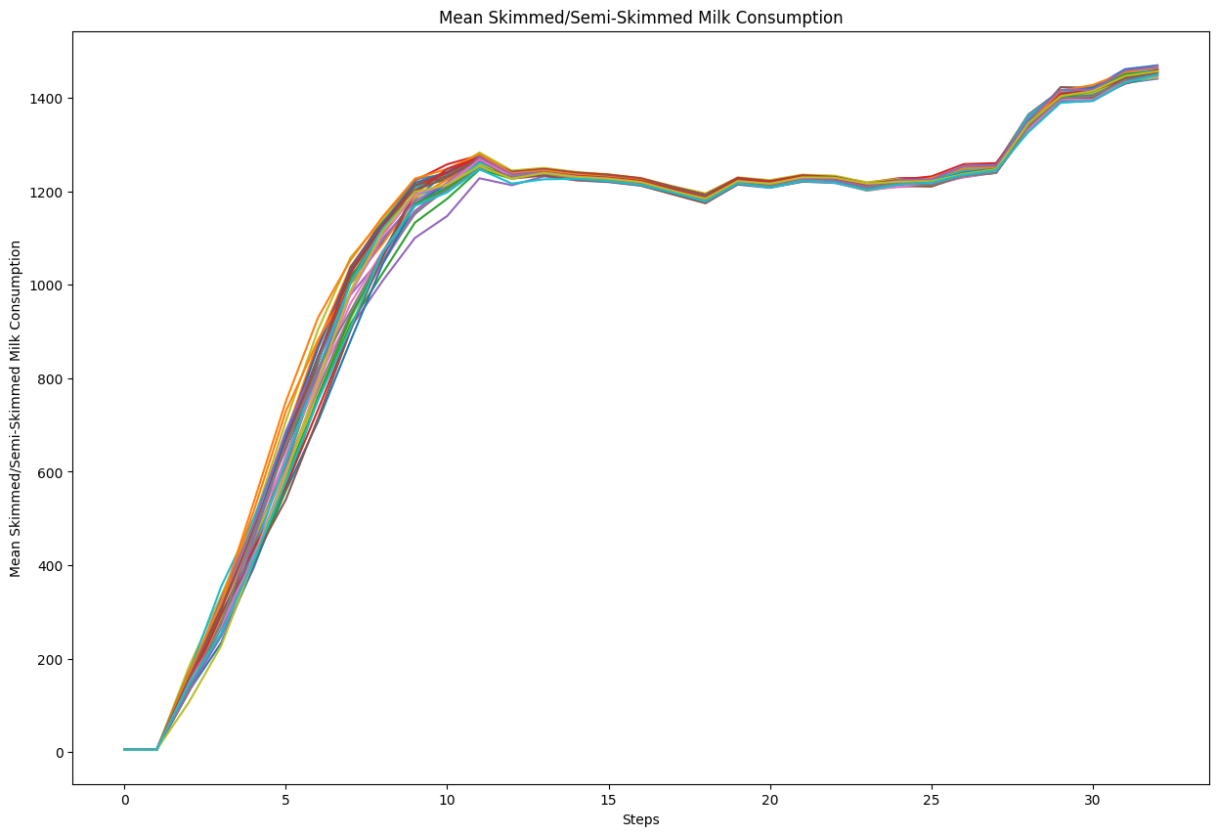
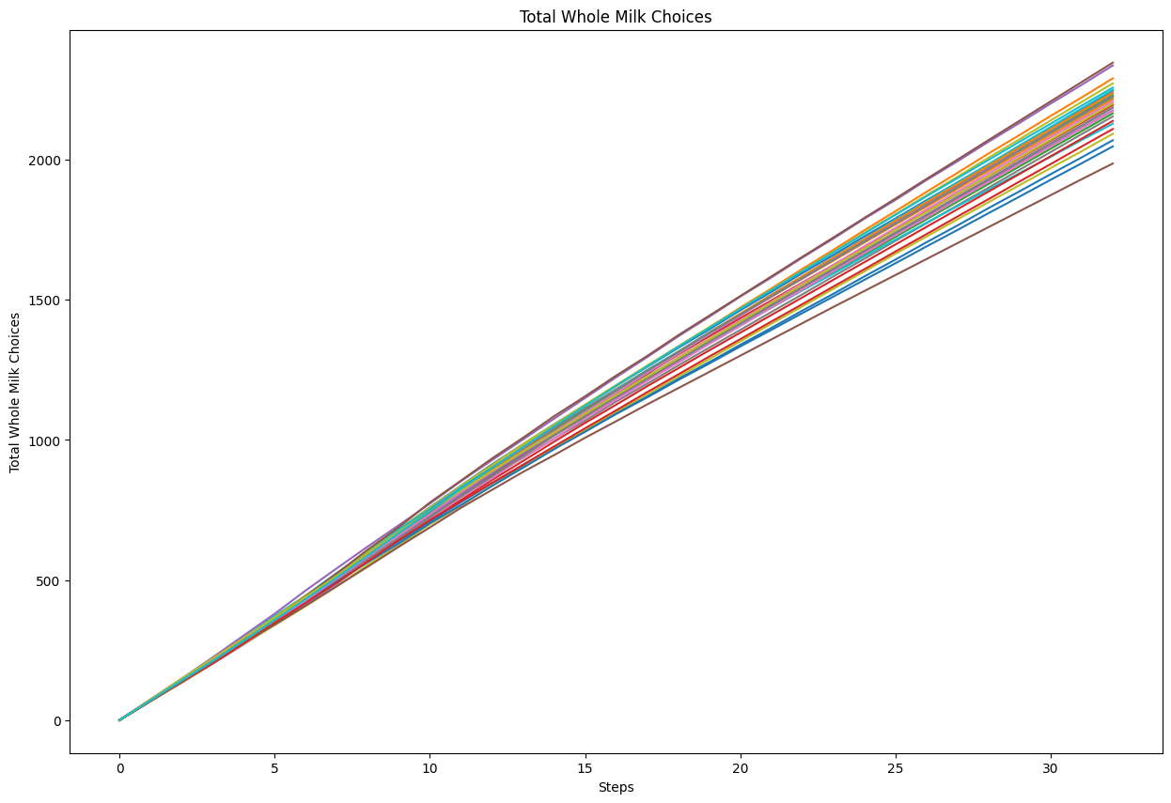
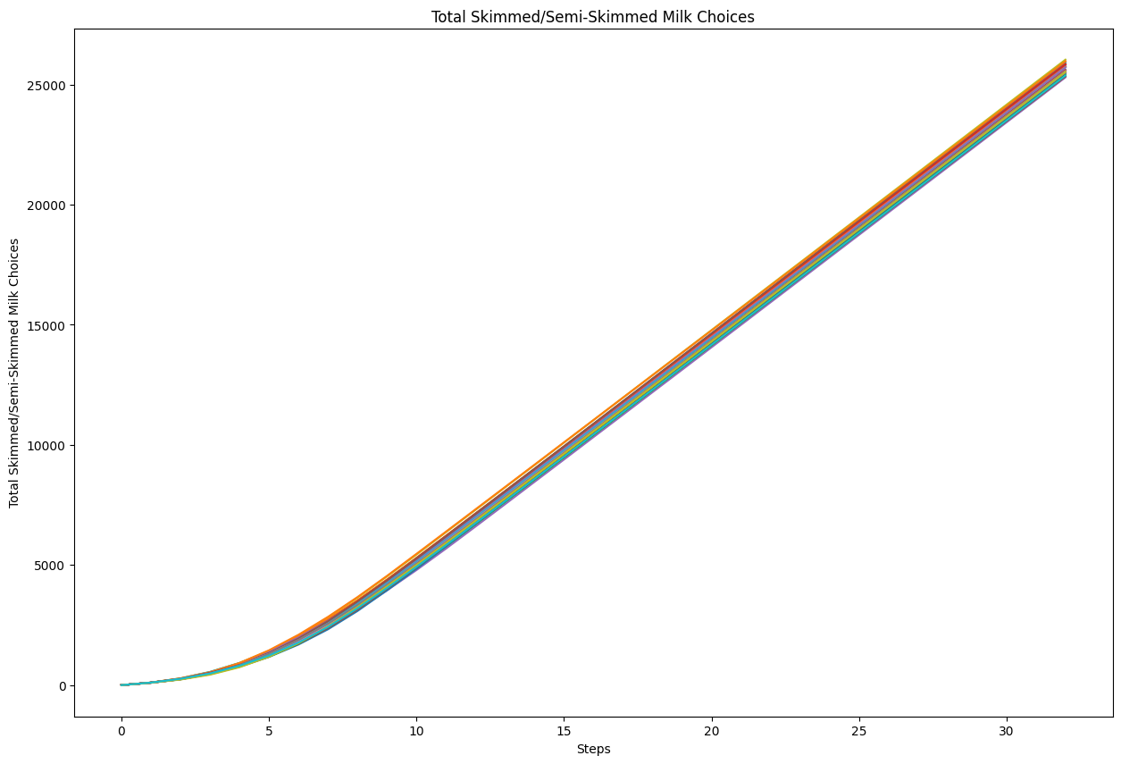
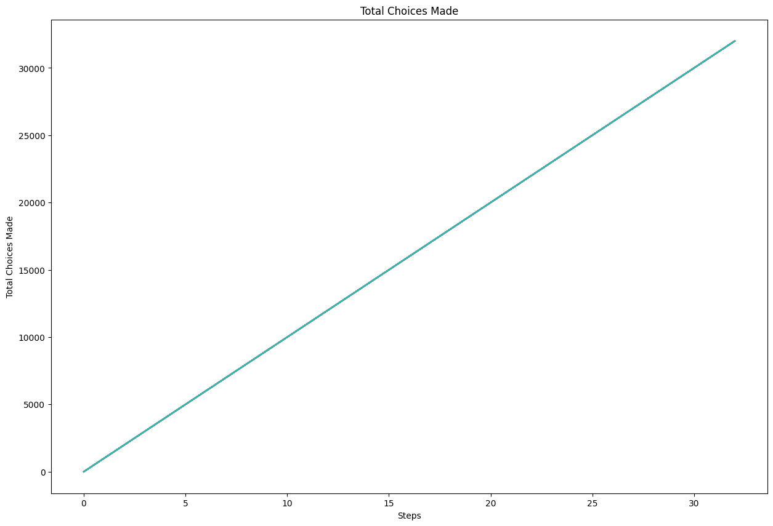
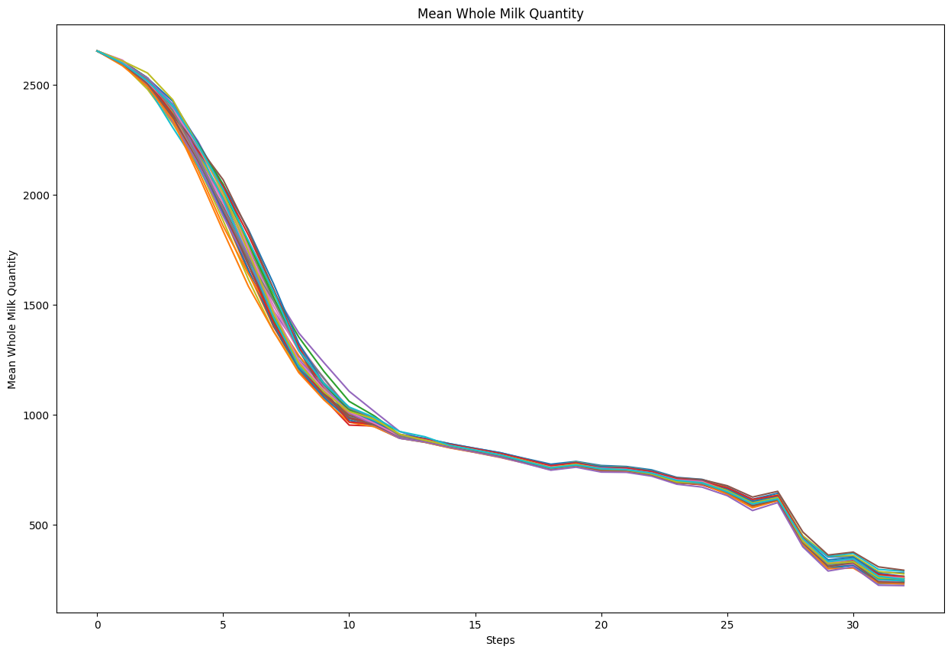
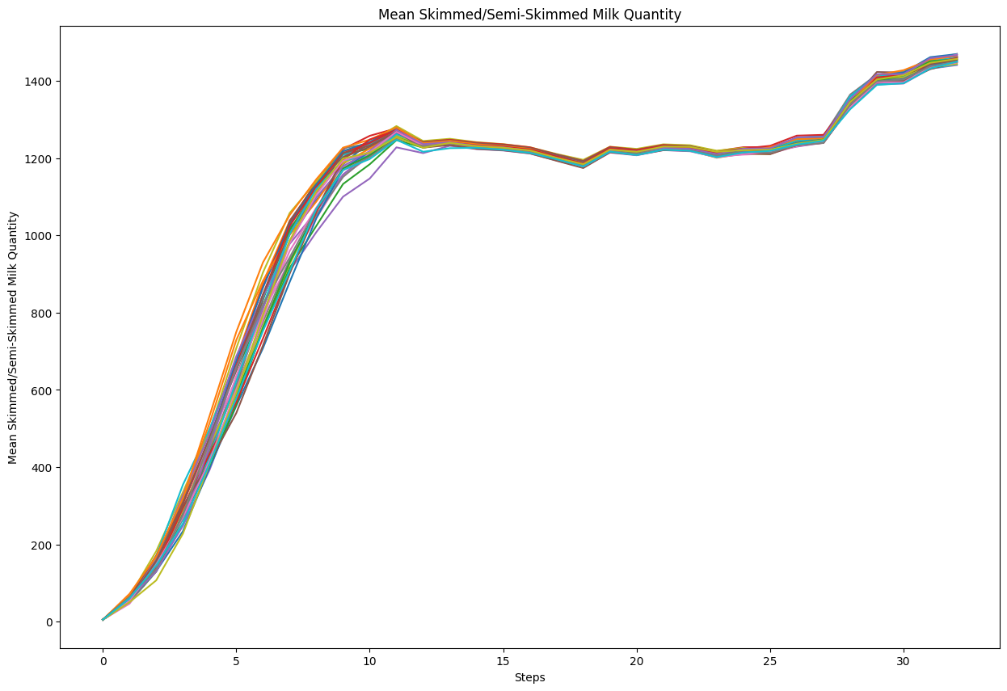
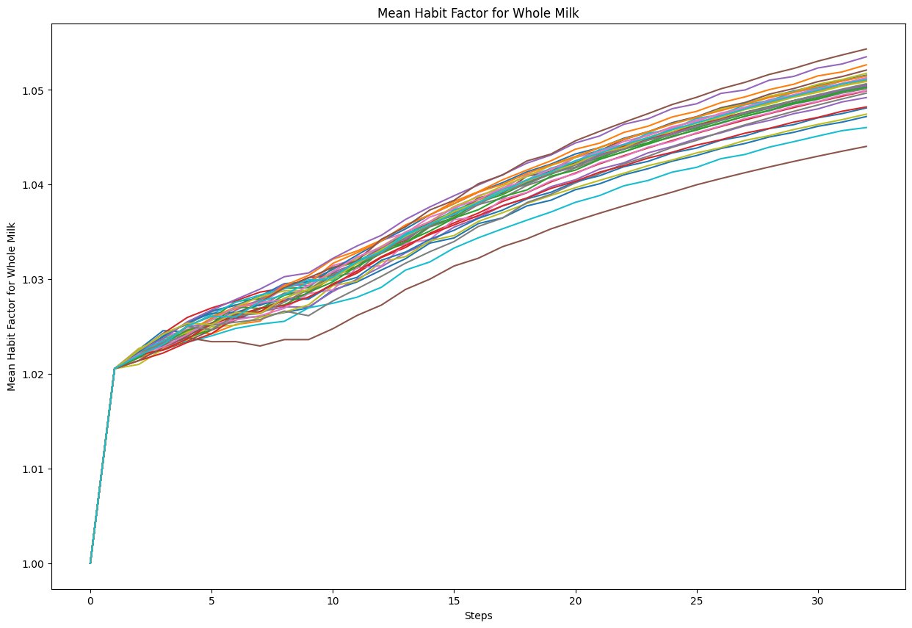
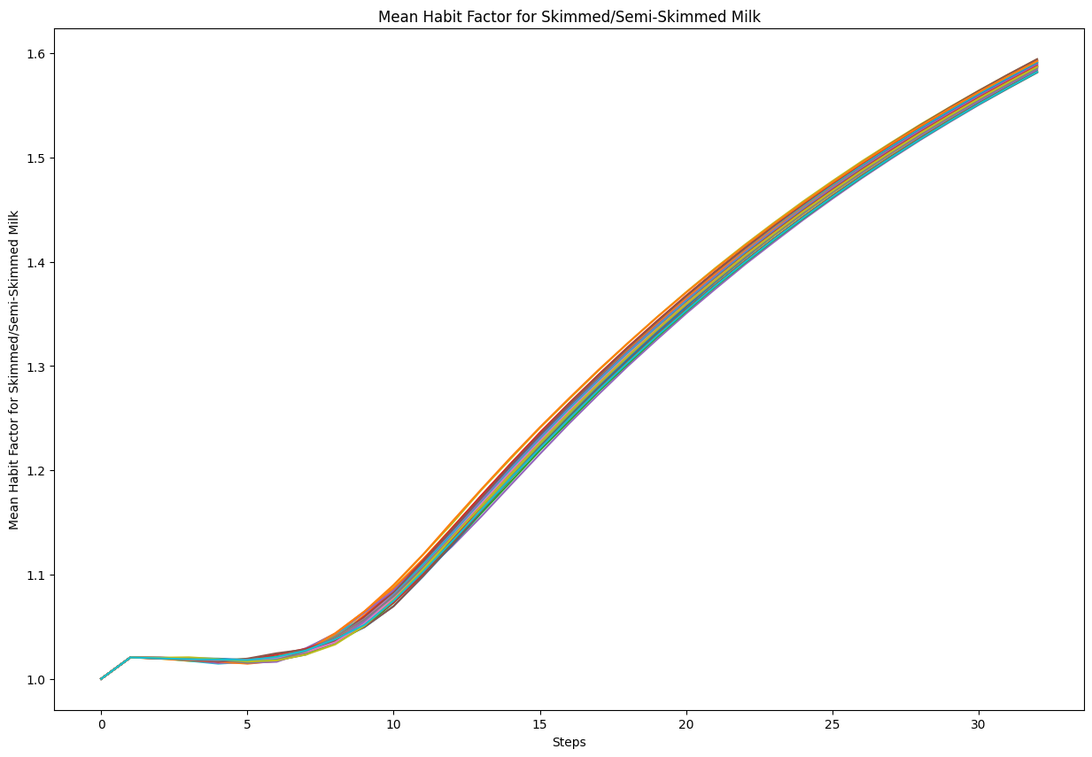
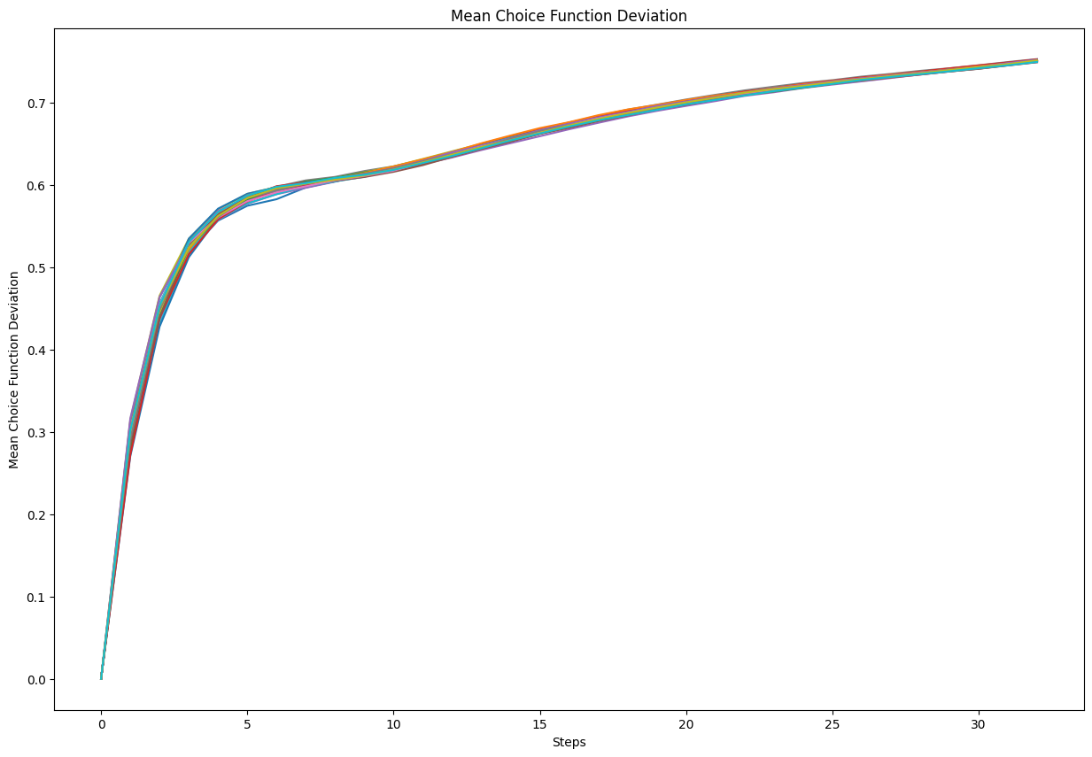
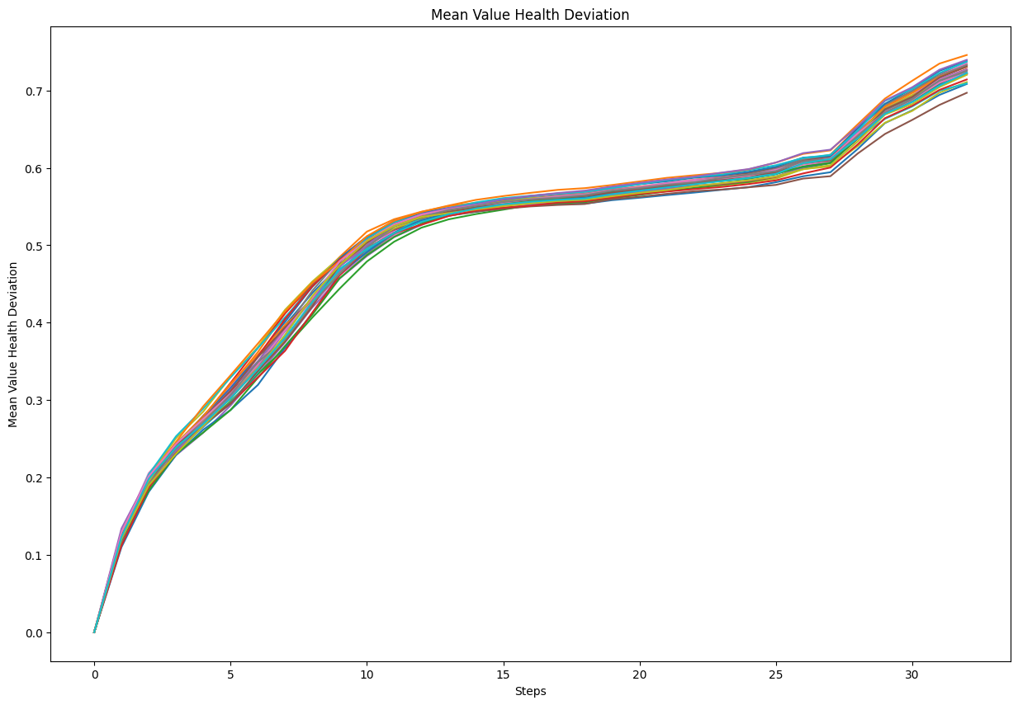
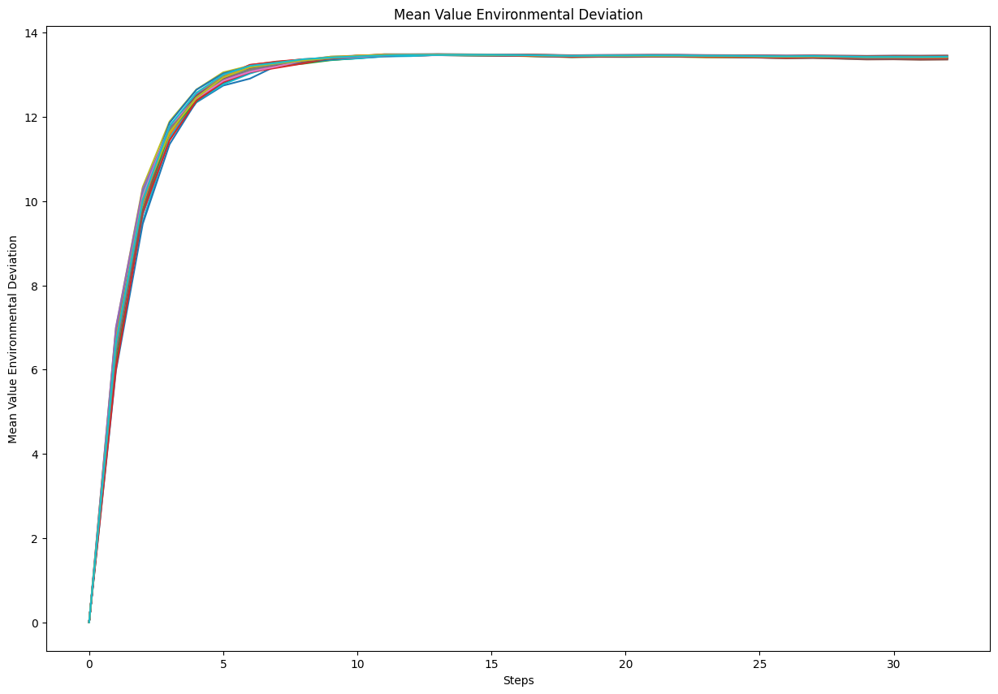
Input | Output | Faithfulness | Coverage

Your goal is to explain an agent-based model. Your explanation must include the context of the model, its goals, and key parameters. For each parameter, include the range of values (if provided) and the value that we have set. Do not write any summary or conclusion. We have 16 parameters: - memory-lifetime, from 1.0 to 10.0. We set it to 5. - alt-health-mean-initial, from 1.0 to 3.0. We set it to 1.69. - habit-threshold, from 1.0 to 10.0. We set it to 2. - p-interact, from 0.0 to 1.0. We set it to 0.3. - social-susceptibility, from 0.0 to 1.0. We set it to 0.2. - incumbent-initial-habit, from 0.0 to 10.0. We set it to 10. - alt-env-mean-initial, from 0.0 to 3.0. We set it to 1.12. - social-blindness, from 0.0 to 1.0. We set it to 0.51. - justification, from 0.0 to 1.0. We set it to 0.61. - cognitive-dissonance-threshold, from 0.0 to 1.0. We set it to 0.15. - network-parameter, from 2.0 to 10.0. We set it to 8. - number-of-agents. We set it to 1000. - habit-on?. We set it to True. - network-type. We set it to "watts-strogatz". - norms. We set it to True. - social-conformity. We set it to 0.28. The context and goals of the model are as follows. The overall objective of the agent-based model is to reproduce adoption behaviours of milk consumption by the British public (1974-2005), by replicating individual preferences and decision factors. Specifically, the goal of the model is to explore the influence of perception, habits and social influence in an individual's decision-making process of milk choice. The model looks to replicate the substitution of whole milk for skimmed and semi-skimmed milk from the 1970s onwards. The main outcome reported here is the average weekly consumption of each milk type per person. The simulation uses both a theoretical grounding and empirical data to inform the ABM, with calibration performed against observed macro level data. In particular, the study conducts an experiment to compare | The agent-based model aims to reproduce adoption behaviors of milk consumption by the British public from 1974 to 2005. The goal is to explore the influence of perception, habits, and social influence in an individual's decision-making process regarding milk choice. The study conducts an experiment to compare the performance of two model variants in reproducing observed milk consumption trends. Agents represent adult consumers who occupy a random position in an information environment. Each agent has a disposition to consider alternative milk choices, based on the tested mechanisms of how agents become disposed to consider their choices. Agents make milk selection choices based on a function for each alternative, composed of perceived health and environmental characteristics, modified by habit, social influence, and evaluation of previous choices. If the disposition requirement is met, consumption of each milk type is split proportionately by the choice function sizes, modulated by other influences. If not, agents keep their existing choice, agents kept their existing choices. The model is initialized with agents' existing milk choices. The data shows the mean whole milk consumption over time steps, which appears to represent weeks. Initially, the consumption starts at around 2400 units and rapidly declines, reaching around 1100 units by the 5th time step. This steep drop suggests a significant change in consumption behavior during the initial few weeks. Plot depicts the average weekly consumption of skimmed and semi-skimmed milk per agent over a period of 30 steps. At the beginning, the consumption starts from a very low value, close to zero. It then exhibits a sharp exponential-like increase, with the slope becoming steeper around step 5 and continuing to rise rapidly until around step 15. Plot shows the total number of times agents have chosen whole milk over multiple simulation steps. Data exhibits a linear increasing trend, with the total whole milk choice

Input | Output | Faithfulness | Coverage

Your goal is to explain an agent-based model. Your explanation must include the context of the model, its goals, and key parameters. For each parameter, include the range of values (if provided) and the value that we have set. Do not write any summary or conclusion. We have 31 parameters: - number-households, from 1.0 to 100.0. We set it to 60. - satisficing-threshold, from 0.0 to 100.0. We set it to 0. - satisficing-trials, from 0.0 to 100.0. We set it to 21. - knowledge-radius, from 0.0 to 5.0. We set it to 1. - resting-threshold, from 0.0 to 1.0. We set it to 0.1. - intrinsic-preference, from 0.0 to 1.0. We set it to 0. - social-susceptibility, from 0.0 to 1.0. We set it to 0. - global-rain?. We set it to True. - start-on-homepatch?. We set it to True. - resting?. We set it to False. - homog-behav-types?. We set it to True. - extension-model?. We set it to True. - SL2-strategy-switch?. We set it to False. - risk-mode?. We set it to True. - behavioral-type. We set it to E-RO. - number-SAT. We set it to 0. - number-E-RO. We set it to 20. - number-TRAD. We set it to 0. - b. We set it to 0. - number-MAX. We set it to 0. - rain-mean. We set it to 200. - risk-att-init. We set it to 0.5. - gr1. We set it to 0.5. - number-E-LBD. We set it to 20. - gr2. We set it to 0.1. - number-E-RO-SL1. We set it to 20. - timesteps. We set it to 100. - w. We set it to 0.8. - number-random. We set it to 0. - livestock-init. We set it to 90. - rain-std. We set it to 100. The context and goals of the model are as follows. This is an extension of the original RAGE model where we add learning capabilities to agents, specifically learning-by-doing and social learning (two processes central to adaptive (co-)management). The original model can be found here: The RAGE model is a *multi-agent simulation model* that captures *feedbacks between pastures, livestock and household livelihood in | Agent-based model described is an extension of the original RAGE model, designed to capture feedbacks between pastures, livestock, and household livelihoods in a common property grazing system. The model introduces three new behavioral types (E-RO, E-LBD, and E-RO-SL1) to study adaptive and co-management practices in smallholder farmer decision-making. The households observe their pasture states and neighbors to make decisions about livestock management. The primary focus is on understanding the long-term social-ecological consequences of different household behavioral types and how these decisions can impact pasture biomass condition, average herd size, and the number of surviving households. Model parameters include number-random, number-daily and number-weekly. model parameters, rain-mean and rainfall-mean; number-normal; and rain-standard; and the average rainfall-standard.mean;. number-regularly; and its average rain-normal.normal; average rainfall.mean. The data indicates that the average initial risk attitude of social learning agents remains constant over the entire simulation period. There are multiple distinct average risk attitudes observed at the start, and these do not change throughout the time steps. The values of mean household initial risk attitudes range from approximately -0.12 to 0.16. There is a rapid increase in the average household risk attitude among extension agents. This surge extends roughly up to step 20, after which many agents display high-risk attitudes. Around step 40, there is a notable divergence; several agents' risk attitudes decrease significantly. This decrease continues until about step 60, when levels stabilize again. In simulations, the average amount of reserve biomass available across all patches shows a characteristic trend over time within the grazing system model. Initially, at the beginning of the simulation, there is a decrease in biomass, reaching a minimum around step 30. The biomass values at this point typica

Input | Output | Faithfulness | Coverage

Your goal is to explain an agent-based model. Your explanation must include the context of the model, its goals, and key parameters. For each parameter, include the range of values (if provided) and the value that we have set. Do not write any summary or conclusion. We have 16 parameters: - memory-lifetime, from 1.0 to 10.0. We set it to 5. - alt-health-mean-initial, from 1.0 to 3.0. We set it to 1.69. - habit-threshold, from 1.0 to 10.0. We set it to 2. - p-interact, from 0.0 to 1.0. We set it to 0.3. - social-susceptibility, from 0.0 to 1.0. We set it to 0.2. - incumbent-initial-habit, from 0.0 to 10.0. We set it to 10. - alt-env-mean-initial, from 0.0 to 3.0. We set it to 1.12. - social-blindness, from 0.0 to 1.0. We set it to 0.51. - justification, from 0.0 to 1.0. We set it to 0.61. - cognitive-dissonance-threshold, from 0.0 to 1.0. We set it to 0.15. - network-parameter, from 2.0 to 10.0. We set it to 8. - number-of-agents. We set it to 1000. - habit-on?. We set it to True. - network-type. We set it to "watts-strogatz". - norms. We set it to True. - social-conformity. We set it to 0.28. The context and goals of the model are as follows. The overall objective of the agent-based model is to reproduce adoption behaviours of milk consumption by the British public (1974-2005), by replicating individual preferences and decision factors. Specifically, the goal of the model is to explore the influence of perception, habits and social influence in an individual's decision-making process of milk choice. The model looks to replicate the substitution of whole milk for skimmed and semi-skimmed milk from the 1970s onwards. The main outcome reported here is the average weekly consumption of each milk type per person. The simulation uses both a theoretical grounding and empirical data to inform the ABM, with calibration performed against observed macro level data. In particular, the study conducts an experiment to compare | The agent - based model aims to simulate the adoption behaviors of milk consumption by the british public from 1974 to 2005. It determines the threshold at which cognitive dissonance influences an agent's decision to reconsider their milk choice it defines characteristics of the social network structure, influencing how agents are linked and how information is disseminated. Agents'milk choices are influenced by health and environmental characteristics, habit, social influence, and evaluation of previous choices. The data shows a progressive decline in the mean weekly consumption of whole milk per agent over a series of 31 time steps. The early rapid decline indicates an urgent need for intervention if the consumption levels are a critical factor in business strategies. The average weekly consumption of skimmed and semi - skimmed milk per agent exhibits a clear growth trend over time. Initially, from time step 0 to approximately time step 12, there is a rapid and steady increase in consumption. The total number of times agents have chosen whole milk shows a consistent, linear increase over the observed time steps. Starting from zero, the metric increases steadily across approximately 33 steps, ultimately reaching a value slightly above 2000. The data indicates a consistently increasing trend in the total number of milk choices made by all agents combined across the time steps. Predictability : the linear increase allows for straightforward predictions of future milk choices based on the observed data. The mean quantity of whole milk consumed by agents demonstrates a clear and consistent decline over the observed time steps. Following this sharp decline, the decrease in milk consumption continues but at a slower, more gradual pace. The data represents a time series of the mean quantity of skimmed and semi - skimmed milk consumed by agents over a series of time steps. Through these observations, strategies can be better aligned with observed trends to optimize ou

Input | Output | Faithfulness | Coverage

Your goal is to explain an agent-based model. Your explanation must include the context of the model, its goals, and key parameters. For each parameter, include the range of values (if provided) and the value that we have set. Do not write any summary or conclusion. We have 16 parameters: - memory-lifetime, from 1.0 to 10.0. We set it to 5. - alt-health-mean-initial, from 1.0 to 3.0. We set it to 1.69. - habit-threshold, from 1.0 to 10.0. We set it to 2. - p-interact, from 0.0 to 1.0. We set it to 0.3. - social-susceptibility, from 0.0 to 1.0. We set it to 0.2. - incumbent-initial-habit, from 0.0 to 10.0. We set it to 10. - alt-env-mean-initial, from 0.0 to 3.0. We set it to 1.12. - social-blindness, from 0.0 to 1.0. We set it to 0.51. - justification, from 0.0 to 1.0. We set it to 0.61. - cognitive-dissonance-threshold, from 0.0 to 1.0. We set it to 0.15. - network-parameter, from 2.0 to 10.0. We set it to 8. - number-of-agents. We set it to 1000. - habit-on?. We set it to True. - network-type. We set it to "watts-strogatz". - norms. We set it to True. - social-conformity. We set it to 0.28. The context and goals of the model are as follows. The overall objective of the agent-based model is to reproduce adoption behaviours of milk consumption by the British public (1974-2005), by replicating individual preferences and decision factors. Specifically, the goal of the model is to explore the influence of perception, habits and social influence in an individual's decision-making process of milk choice. The model looks to replicate the substitution of whole milk for skimmed and semi-skimmed milk from the 1970s onwards. The main outcome reported here is the average weekly consumption of each milk type per person. The simulation uses both a theoretical grounding and empirical data to inform the ABM, with calibration performed against observed macro level data. In particular, the study conducts an experiment to compare | The agent-based model aims to reproduce adoption behaviors of milk consumption by the British public from 1974 to 2005. The goal is to explore the influence of perception, habits, and social influence in an individual's decision-making process regarding milk choice. The study conducts an experiment to compare the performance of two model variants in reproducing observed milk consumption trends. Agents represent adult consumers who occupy a random position in an information environment. Each agent has a disposition to consider alternative milk choices, based on the tested mechanisms of how agents become disposed to consider their choices. Agents make milk selection choices based on a function for each alternative, composed of perceived health and environmental characteristics, modified by habit, social influence, and evaluation of previous choices. If the disposition requirement is met, consumption of each milk type is split proportionately by the choice function sizes, modulated by other influences. If not, agents keep their existing choice, agents kept their existing choices. The model is initialized with agents' existing milk choices. The data shows the mean whole milk consumption over time steps, which appears to represent weeks. Initially, the consumption starts at around 2400 units and rapidly declines, reaching around 1100 units by the 5th time step. This steep drop suggests a significant change in consumption behavior during the initial few weeks. Plot depicts the average weekly consumption of skimmed and semi-skimmed milk per agent over a period of 30 steps. At the beginning, the consumption starts from a very low value, close to zero. It then exhibits a sharp exponential-like increase, with the slope becoming steeper around step 5 and continuing to rise rapidly until around step 15. Plot shows the total number of times agents have chosen whole milk over multiple simulation steps. Data exhibits a linear increasing trend, with the total whole milk choice

